Helpful Tips
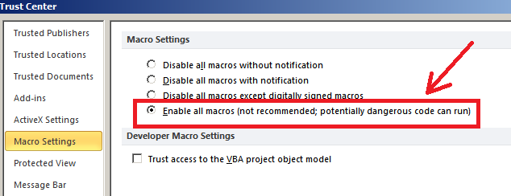
ENABLING MACROS
Step 1
Go to File, then click on Options.
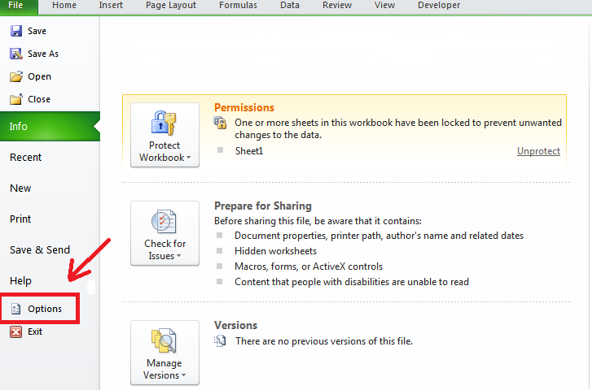

Step 2
Under the General option, click on Customize Ribbon.
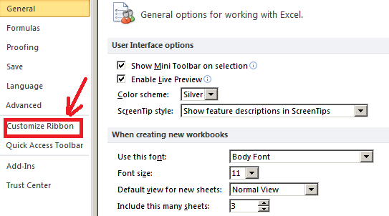

Step 3
Make sure there is a checkmark in the Developer box and then click OK.
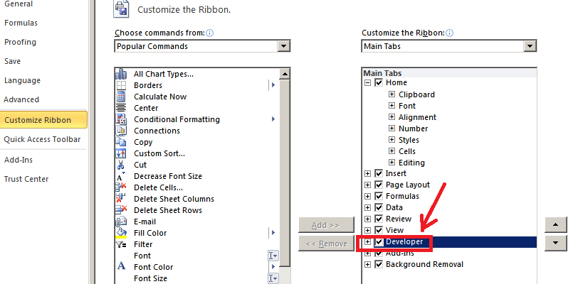

Your macros have now been enabled.

*NOTE: Each time the file is opened you will have to enable the macros by clicking the button "Enable Content". To bypass this message each time the file is opened, you can click on Macro Security listed under the Developer tab.
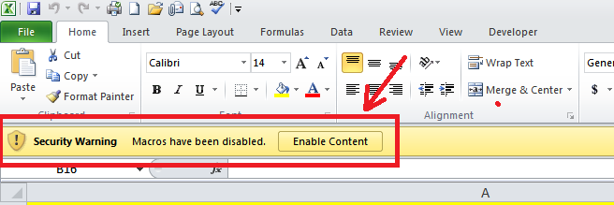

 | OR

HeatMap
ID Number | Likelihood [1-5] | Significance [1-5]
0 | 0 | 0
0 | 0 | 0
0 | 0 | 0
0 | 0 | 0
0 | 0 | 0
Catastrophe
0 | 0 | 0
0 | 0 | 0
0 | 0 | 0
0 | 0 | 0
0 | 0 | 0
Major
0 | 0 | 0
0 | 0 | 0
SIGNIFICANCE
0 | 0 | 0
Moderate
0 | 0 | 0
0 | 0 | 0
0 | 0 | 0
0 | 0 | 0
Minor
0 | 0 | 0
0 | 0 | 0
0 | 0 | 0
0 | 0 | 0
Incidental
0 | 0 | 0
0 | 0 | 0
0 | 0 | 0
0 | 0 | 0
0 | 0 | 0
0 | 0 | 0
0 | 0 | 0
Rare
Reasonably frequent
Very Frequent
0 | 0 | 0
Occasional
Frequent
0 | 0 | 0
0 | 0 | 0
0 | 0 | 0 | LIKELIHOOD
0 | 0 | 0
0 | 0 | 0
0 | 0 | 0
0 | 0 | 0
0 | 0 | 0
0 | 0 | 0
0 | 0 | 0
0 | 0 | 0
0 | 0 | 0
0 | 0 | 0
0 | 0 | 0
0 | 0 | 0
0 | 0 | 0
0 | 0 | 0
0 | 0 | 0
0 | 0 | 0
0 | 0 | 0
0 | 0 | 0
0 | 0 | 0
0 | 0 | 0
0 | 0 | 0
0 | 0 | 0
0 | 0 | 0
0 | 0 | 0
0 | 0 | 0
0 | 0 | 0
0 | 0 | 0
0 | 0 | 0
0 | 0 | 0
0 | 0 | 0
0 | 0 | 0
0 | 0 | 0
0 | 0 | 0
0 | 0 | 0
0 | 0 | 0
0 | 0 | 0
0 | 0 | 0
0 | 0 | 0
0 | 0 | 0
0 | 0 | 0
0 | 0 | 0
0 | 0 | 0
0 | 0 | 0
0 | 0 | 0
0 | 0 | 0
0 | 0 | 0
0 | 0 | 0
0 | 0 | 0
0 | 0 | 0
0 | 0 | 0
0 | 0 | 0
0 | 0 | 0
0 | 0 | 0
0 | 0 | 0
0 | 0 | 0
0 | 0 | 0
0 | 0 | 0
0 | 0 | 0
0 | 0 | 0
0 | 0 | 0
0 | 0 | 0
0 | 0 | 0
0 | 0 | 0
0 | 0 | 0
0 | 0 | 0
0 | 0 | 0
0 | 0 | 0
0 | 0 | 0
0 | 0 | 0
0 | 0 | 0
0 | 0 | 0
0 | 0 | 0
0 | 0 | 0
0 | 0 | 0
0 | 0 | 0
0 | 0 | 0
0 | 0 | 0
0 | 0 | 0
0 | 0 | 0
0 | 0 | 0
0 | 0 | 0
0 | 0 | 0
0 | 0 | 0
0 | 0 | 0
0 | 0 | 0
0 | 0 | 0
0 | 0 | 0
0 | 0 | 0
0 | 0 | 0
0 | 0 | 0
0 | 0 | 0
0 | 0 | 0
0 | 0 | 0
0 | 0 | 0
0 | 0 | 0
0 | 0 | 0
0 | 0 | 0
0 | 0 | 0
0 | 0 | 0
0 | 0 | 0
0 | 0 | 0
0 | 0 | 0
0 | 0 | 0
0 | 0 | 0
0 | 0 | 0
0 | 0 | 0
0 | 0 | 0
0 | 0 | 0
0 | 0 | 0
0 | 0 | 0
0 | 0 | 0
0 | 0 | 0
0 | 0 | 0
0 | 0 | 0
0 | 0 | 0
0 | 0 | 0
0 | 0 | 0
0 | 0 | 0
0 | 0 | 0
0 | 0 | 0
0 | 0 | 0
0 | 0 | 0
0 | 0 | 0
0 | 0 | 0
0 | 0 | 0
0 | 0 | 0
0 | 0 | 0
0 | 0 | 0
0 | 0 | 0
0 | 0 | 0
0 | 0 | 0
0 | 0 | 0
0 | 0 | 0
0 | 0 | 0
0 | 0 | 0
0 | 0 | 0
0 | 0 | 0
0 | 0 | 0
0 | 0 | 0
0 | 0 | 0
0 | 0 | 0
0 | 0 | 0
0 | 0 | 0
0 | 0 | 0
0 | 0 | 0
0 | 0 | 0
0 | 0 | 0
0 | 0 | 0
0 | 0 | 0
0 | 0 | 0
0 | 0 | 0
0 | 0 | 0
0 | 0 | 0
0 | 0 | 0
0 | 0 | 0
0 | 0 | 0
0 | 0 | 0
0 | 0 | 0
0 | 0 | 0
0 | 0 | 0
0 | 0 | 0
0 | 0 | 0
0 | 0 | 0
0 | 0 | 0
0 | 0 | 0
0 | 0 | 0
0 | 0 | 0
0 | 0 | 0
0 | 0 | 0
0 | 0 | 0
0 | 0 | 0
0 | 0 | 0
0 | 0 | 0
0 | 0 | 0
0 | 0 | 0
0 | 0 | 0
0 | 0 | 0
0 | 0 | 0
0 | 0 | 0
0 | 0 | 0
0 | 0 | 0
0 | 0 | 0
0 | 0 | 0
0 | 0 | 0
0 | 0 | 0
0 | 0 | 0
0 | 0 | 0
0 | 0 | 0
0 | 0 | 0
0 | 0 | 0
0 | 0 | 0
0 | 0 | 0
0 | 0 | 0
0 | 0 | 0
0 | 0 | 0
0 | 0 | 0
0 | 0 | 0
0 | 0 | 0
0 | 0 | 0
0 | 0 | 0
0 | 0 | 0
0 | 0 | 0
0 | 0 | 0
0 | 0 | 0
0 | 0 | 0
0 | 0 | 0
0 | 0 | 0
0 | 0 | 0
0 | 0 | 0
0 | 0 | 0
0 | 0 | 0
0 | 0 | 0
0 | 0 | 0
0 | 0 | 0
0 | 0 | 0
0 | 0 | 0
0 | 0 | 0
0 | 0 | 0
0 | 0 | 0
0 | 0 | 0
0 | 0 | 0
0 | 0 | 0
0 | 0 | 0
0 | 0 | 0
0 | 0 | 0
0 | 0 | 0
0 | 0 | 0
0 | 0 | 0
0 | 0 | 0
0 | 0 | 0
0 | 0 | 0
0 | 0 | 0
0 | 0 | 0
0 | 0 | 0
0 | 0 | 0
0 | 0 | 0
0 | 0 | 0
0 | 0 | 0
0 | 0 | 0
0 | 0 | 0
0 | 0 | 0
0 | 0 | 0
0 | 0 | 0
0 | 0 | 0
0 | 0 | 0
0 | 0 | 0
0 | 0 | 0
0 | 0 | 0
0 | 0 | 0
0 | 0 | 0
0 | 0 | 0
0 | 0 | 0
0 | 0 | 0
0 | 0 | 0
0 | 0 | 0
0 | 0 | 0
0 | 0 | 0
0 | 0 | 0
0 | 0 | 0
0 | 0 | 0
0 | 0 | 0
0 | 0 | 0
0 | 0 | 0
0 | 0 | 0
0 | 0 | 0
0 | 0 | 0
0 | 0 | 0
0 | 0 | 0
0 | 0 | 0
0 | 0 | 0
0 | 0 | 0
0 | 0 | 0
0 | 0 | 0
0 | 0 | 0
0 | 0 | 0
0 | 0 | 0
0 | 0 | 0
0 | 0 | 0
0 | 0 | 0
0 | 0 | 0
0 | 0 | 0
0 | 0 | 0
0 | 0 | 0
0 | 0 | 0
0 | 0 | 0
0 | 0 | 0
0 | 0 | 0
0 | 0 | 0
0 | 0 | 0
0 | 0 | 0
0 | 0 | 0
0 | 0 | 0
0 | 0 | 0
0 | 0 | 0
0 | 0 | 0
0 | 0 | 0
0 | 0 | 0
0 | 0 | 0
0 | 0 | 0
0 | 0 | 0
0 | 0 | 0
0 | 0 | 0
0 | 0 | 0
0 | 0 | 0
0 | 0 | 0
0 | 0 | 0
0 | 0 | 0
0 | 0 | 0
0 | 0 | 0
0 | 0 | 0
0 | 0 | 0
0 | 0 | 0
0 | 0 | 0
0 | 0 | 0
0 | 0 | 0
0 | 0 | 0
0 | 0 | 0
0 | 0 | 0
0 | 0 | 0
0 | 0 | 0
0 | 0 | 0
0 | 0 | 0
0 | 0 | 0
0 | 0 | 0
0 | 0 | 0
0 | 0 | 0
0 | 0 | 0
0 | 0 | 0
0 | 0 | 0
0 | 0 | 0
0 | 0 | 0
0 | 0 | 0
0 | 0 | 0
0 | 0 | 0
0 | 0 | 0
0 | 0 | 0
0 | 0 | 0
0 | 0 | 0
0 | 0 | 0
0 | 0 | 0
0 | 0 | 0
0 | 0 | 0
0 | 0 | 0
0 | 0 | 0
0 | 0 | 0
0 | 0 | 0
0 | 0 | 0
0 | 0 | 0
0 | 0 | 0
0 | 0 | 0
0 | 0 | 0
0 | 0 | 0
0 | 0 | 0
0 | 0 | 0
0 | 0 | 0
0 | 0 | 0
0 | 0 | 0
0 | 0 | 0
0 | 0 | 0
0 | 0 | 0
0 | 0 | 0
0 | 0 | 0
0 | 0 | 0
0 | 0 | 0
0 | 0 | 0

Heat Map (ex.)
Item number | Likelihood | Significance
AM4 | 5 | 5
IAC 2 | 5 | 5
AM1 | 4 | 5
Catastrophe
FR3 | 4 | 5
IAC 1 | 4 | 5
AM2 | 3 | 5
FR2 | 3 | 5
Major
FR4 | 3 | 5
FR6 | 3 | 5
SIGNIFICANCE
FR7 | 3 | 5
FR9 | 3 | 5
Moderate
FR5 | 3 | 4
NF5 | 3 | 4
NF1 | 2 | 5
Minor
NF2 | 2 | 5
NF3 | 3 | 3
FR1 | 2 | 4
FR11 | 2 | 4
FR8 | 2 | 3
Incidental
NF4 | 2 | 3
FR10 | 1 | 4
AM3 | 1 | 3
IAC3 | 1 | 3
AM5 | 1 | 1
FR12 | 1 | 1
FR13 | 1 | 1
Rare
Occasional
Reasonably frequent
Frequent
Very frequent
NF6 | 1 | 1
0 | 0 | 0
0 | 0 | 0 | LIKELIHOOD
0 | 0 | 0
0 | 0 | 0
0 | 0 | 0
0 | 0 | 0
0 | 0 | 0
0 | 0 | 0
0 | 0 | 0
0 | 0 | 0
0 | 0 | 0
0 | 0 | 0
0 | 0 | 0
0 | 0 | 0
0 | 0 | 0
0 | 0 | 0
0 | 0 | 0
0 | 0 | 0
0 | 0 | 0
0 | 0 | 0
0 | 0 | 0
0 | 0 | 0
0 | 0 | 0
0 | 0 | 0
0 | 0 | 0
0 | 0 | 0
0 | 0 | 0
0 | 0 | 0
0 | 0 | 0
0 | 0 | 0
0 | 0 | 0
0 | 0 | 0
0 | 0 | 0
0 | 0 | 0
0 | 0 | 0
0 | 0 | 0
0 | 0 | 0
0 | 0 | 0
0 | 0 | 0
0 | 0 | 0
0 | 0 | 0
0 | 0 | 0
0 | 0 | 0
0 | 0 | 0
0 | 0 | 0
0 | 0 | 0
0 | 0 | 0
0 | 0 | 0
0 | 0 | 0
0 | 0 | 0
0 | 0 | 0
0 | 0 | 0
0 | 0 | 0
0 | 0 | 0
0 | 0 | 0
0 | 0 | 0
0 | 0 | 0
0 | 0 | 0
0 | 0 | 0
0 | 0 | 0
0 | 0 | 0
0 | 0 | 0
0 | 0 | 0
0 | 0 | 0
0 | 0 | 0
0 | 0 | 0
0 | 0 | 0
0 | 0 | 0
0 | 0 | 0
0 | 0 | 0
0 | 0 | 0
0 | 0 | 0
0 | 0 | 0
0 | 0 | 0
0 | 0 | 0
0 | 0 | 0
0 | 0 | 0
0 | 0 | 0
0 | 0 | 0
0 | 0 | 0
0 | 0 | 0
0 | 0 | 0
0 | 0 | 0
0 | 0 | 0
0 | 0 | 0
0 | 0 | 0
0 | 0 | 0
0 | 0 | 0
0 | 0 | 0
0 | 0 | 0
0 | 0 | 0
0 | 0 | 0
0 | 0 | 0
0 | 0 | 0
0 | 0 | 0
0 | 0 | 0
0 | 0 | 0
0 | 0 | 0
0 | 0 | 0
0 | 0 | 0
0 | 0 | 0
0 | 0 | 0
0 | 0 | 0
0 | 0 | 0
0 | 0 | 0
0 | 0 | 0
0 | 0 | 0
0 | 0 | 0
0 | 0 | 0
0 | 0 | 0
0 | 0 | 0
0 | 0 | 0
0 | 0 | 0
0 | 0 | 0
0 | 0 | 0
0 | 0 | 0
0 | 0 | 0
0 | 0 | 0
0 | 0 | 0
0 | 0 | 0
0 | 0 | 0
0 | 0 | 0
0 | 0 | 0
0 | 0 | 0
0 | 0 | 0
0 | 0 | 0
0 | 0 | 0
0 | 0 | 0
0 | 0 | 0
0 | 0 | 0
0 | 0 | 0
0 | 0 | 0
0 | 0 | 0
0 | 0 | 0
0 | 0 | 0
0 | 0 | 0
0 | 0 | 0
0 | 0 | 0
0 | 0 | 0
0 | 0 | 0
0 | 0 | 0
0 | 0 | 0
0 | 0 | 0
0 | 0 | 0
0 | 0 | 0
0 | 0 | 0
0 | 0 | 0
0 | 0 | 0
0 | 0 | 0
0 | 0 | 0
0 | 0 | 0
0 | 0 | 0
0 | 0 | 0
0 | 0 | 0
0 | 0 | 0
0 | 0 | 0
0 | 0 | 0
0 | 0 | 0
0 | 0 | 0
0 | 0 | 0
0 | 0 | 0
0 | 0 | 0
0 | 0 | 0
0 | 0 | 0
0 | 0 | 0
0 | 0 | 0
0 | 0 | 0
0 | 0 | 0
0 | 0 | 0
0 | 0 | 0
0 | 0 | 0
0 | 0 | 0
0 | 0 | 0
0 | 0 | 0
0 | 0 | 0
0 | 0 | 0
0 | 0 | 0
0 | 0 | 0
0 | 0 | 0
0 | 0 | 0
0 | 0 | 0
0 | 0 | 0
0 | 0 | 0
0 | 0 | 0
0 | 0 | 0
0 | 0 | 0
0 | 0 | 0
0 | 0 | 0
0 | 0 | 0
0 | 0 | 0
0 | 0 | 0
0 | 0 | 0
0 | 0 | 0
0 | 0 | 0
0 | 0 | 0
0 | 0 | 0
0 | 0 | 0
0 | 0 | 0
0 | 0 | 0
0 | 0 | 0
0 | 0 | 0
0 | 0 | 0
0 | 0 | 0
0 | 0 | 0
0 | 0 | 0
0 | 0 | 0
0 | 0 | 0
0 | 0 | 0
0 | 0 | 0
0 | 0 | 0
0 | 0 | 0
0 | 0 | 0
0 | 0 | 0
0 | 0 | 0
0 | 0 | 0
0 | 0 | 0
0 | 0 | 0
0 | 0 | 0
0 | 0 | 0
0 | 0 | 0
0 | 0 | 0
0 | 0 | 0
0 | 0 | 0
0 | 0 | 0
0 | 0 | 0
0 | 0 | 0
0 | 0 | 0
0 | 0 | 0
0 | 0 | 0
0 | 0 | 0
0 | 0 | 0
0 | 0 | 0
0 | 0 | 0
0 | 0 | 0
0 | 0 | 0
0 | 0 | 0
0 | 0 | 0
0 | 0 | 0
0 | 0 | 0
0 | 0 | 0
0 | 0 | 0
0 | 0 | 0
0 | 0 | 0
0 | 0 | 0
0 | 0 | 0
0 | 0 | 0
0 | 0 | 0
0 | 0 | 0
0 | 0 | 0
0 | 0 | 0
0 | 0 | 0
0 | 0 | 0
0 | 0 | 0
0 | 0 | 0
0 | 0 | 0
0 | 0 | 0
0 | 0 | 0
0 | 0 | 0
0 | 0 | 0
0 | 0 | 0
0 | 0 | 0
0 | 0 | 0
0 | 0 | 0
0 | 0 | 0
0 | 0 | 0
0 | 0 | 0
0 | 0 | 0
0 | 0 | 0
0 | 0 | 0
0 | 0 | 0
0 | 0 | 0
0 | 0 | 0
0 | 0 | 0
0 | 0 | 0
0 | 0 | 0
0 | 0 | 0
0 | 0 | 0
0 | 0 | 0
0 | 0 | 0
0 | 0 | 0
0 | 0 | 0
0 | 0 | 0
0 | 0 | 0
0 | 0 | 0
0 | 0 | 0
0 | 0 | 0
0 | 0 | 0
0 | 0 | 0
0 | 0 | 0
0 | 0 | 0
0 | 0 | 0
0 | 0 | 0
0 | 0 | 0
0 | 0 | 0
0 | 0 | 0
0 | 0 | 0
0 | 0 | 0
0 | 0 | 0
0 | 0 | 0
0 | 0 | 0
0 | 0 | 0
0 | 0 | 0
0 | 0 | 0
0 | 0 | 0
0 | 0 | 0
0 | 0 | 0
0 | 0 | 0
0 | 0 | 0
0 | 0 | 0
0 | 0 | 0
0 | 0 | 0
0 | 0 | 0
0 | 0 | 0
0 | 0 | 0
0 | 0 | 0
0 | 0 | 0
0 | 0 | 0
0 | 0 | 0
0 | 0 | 0
0 | 0 | 0
0 | 0 | 0
0 | 0 | 0
0 | 0 | 0
0 | 0 | 0
0 | 0 | 0
0 | 0 | 0
0 | 0 | 0
0 | 0 | 0
0 | 0 | 0
0 | 0 | 0
0 | 0 | 0
0 | 0 | 0
0 | 0 | 0
0 | 0 | 0
0 | 0 | 0
0 | 0 | 0
0 | 0 | 0
0 | 0 | 0
0 | 0 | 0
0 | 0 | 0
0 | 0 | 0
0 | 0 | 0
0 | 0 | 0
0 | 0 | 0
0 | 0 | 0
0 | 0 | 0
0 | 0 | 0
0 | 0 | 0
0 | 0 | 0
0 | 0 | 0
0 | 0 | 0
0 | 0 | 0
0 | 0 | 0
0 | 0 | 0
0 | 0 | 0
0 | 0 | 0
0 | 0 | 0
0 | 0 | 0
0 | 0 | 0
0 | 0 | 0
0 | 0 | 0
0 | 0 | 0
0 | 0 | 0
0 | 0 | 0
0 | 0 | 0
0 | 0 | 0
0 | 0 | 0
0 | 0 | 0
0 | 0 | 0
0 | 0 | 0
0 | 0 | 0
0 | 0 | 0

